Q-1
Q-1 What does the dollar($) sign do?
In Excel, a dollar sign can denote a currency format, but it has another common use: indicating absolute cell references in formulas→
→If you want to display numbers as monetary values, you must format those numbers as currency.
→To do this, you apply either the Currency or Accounting number format to the cells that you want to format.
→The number formatting options are available on the Home tab, in the Number group.

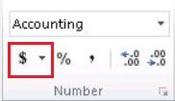

Absolute cell references
→The $ is used in a cell reference to create an absolute reference. An absolute reference is one that will not change when the formula is copied.

There are many variations of absolute references:
→$A$1 will always point to column A and row 1.

→$A1 will always point to column A, but the row is allowed to change as the formula is copied.

→A$1 will always point to row 1, but the column is allowed to change as the formula is copied.

→$A$1:$A$10 will always point to the range A1:A10.

Q-3
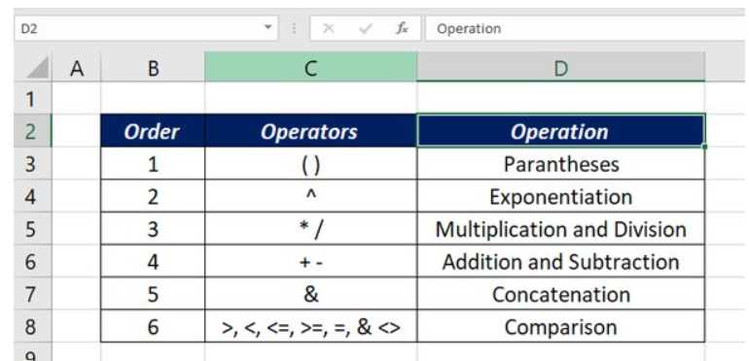
Q-3 Explain the order of operations in excel?
Excel evaluate the formulas from left to right following an operator precedence.
→Parentheses ‘( )’ are evaluated first.
→Then Exponentiation ‘^’.
→Multiplication or Division ‘* or /’ (whichever comes first).
→Addition or Subtraction ‘+ or -’ (again whichever comes first).
→Concatenation (joining strings) ‘&’ .
→finally Comparison.

Q-6
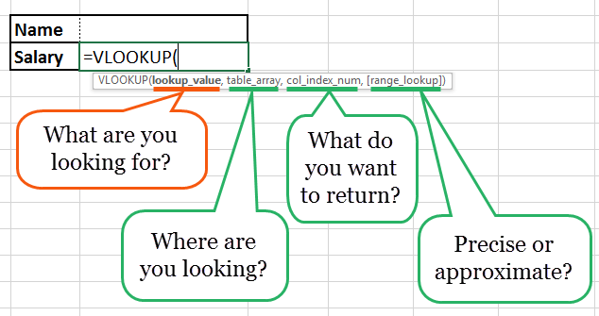
Q-6 What is the syntax of the vlookup function? Explain the terms in it?
→The VLOOKUP function is a premade function in Excel, which allows searches across columns.

◊SYNTAX OF VLOOKUP FUNCTION
The VLookup formula is “=VLOOKUP” (lookup_value, table_array, col_index_num, *range_lookup*).
• “lookup_value” is the data you want to find.
• “table_array” is the data column where you want to limit your search.
• “col_index_num” is the column number within the table that you want to return a value from.
• “range_lookup” is an optional argument that allows you to search for the exact match of your lookup value without sorting the table.

